Page Layout
Project Name |  |  |  | Wow tasty |  | User Type |  |  |  |  | User |  |  |  | Writer | Hak Choi
Phase |  |  |  | Requirements programing design |  | Page Name |  |  |  |  | Order Detail |  |  |  | Date | 11/18/2012

 | 1. Page layout

 |  | 1 ) layout
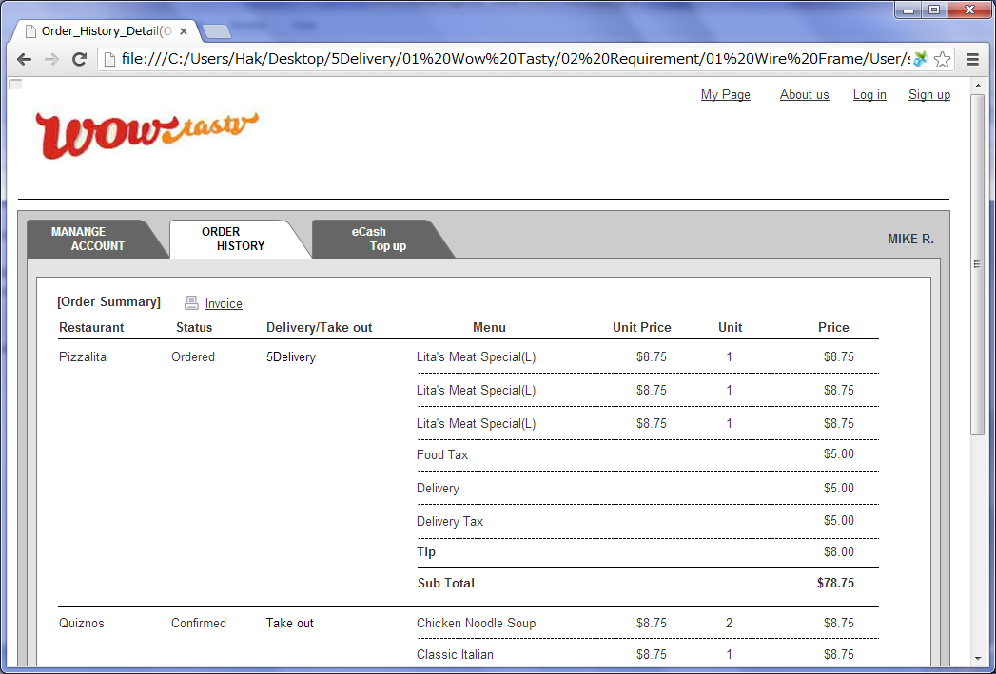

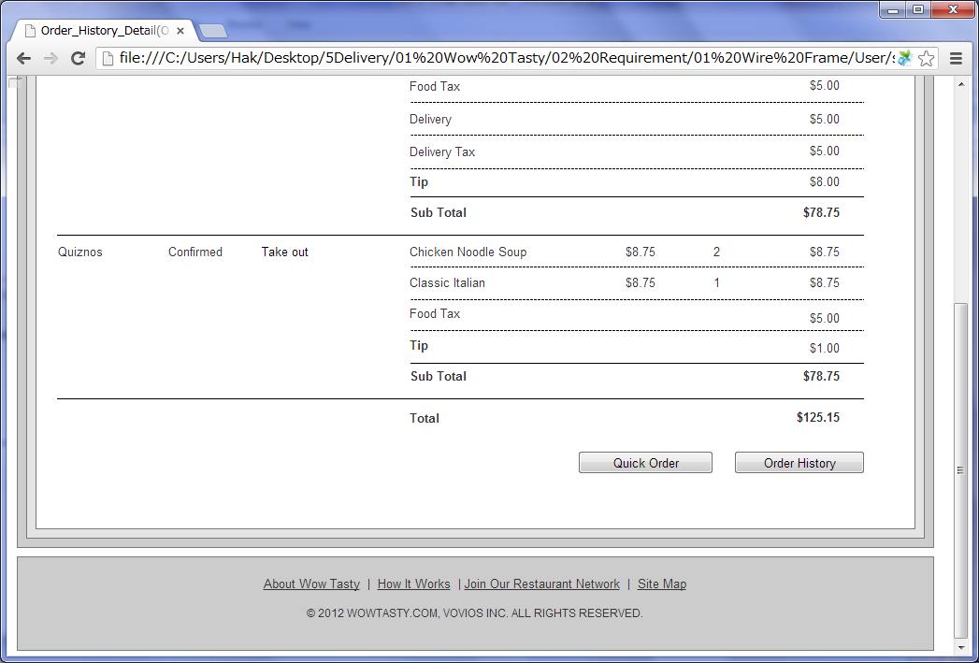

 |  | 2) Field list

 |  | No. | Name |  | Controller |  | Len | Align |  | Default |  | Note
 |  | 1 | Invoice |  | Link
 |  | 2 | Delivery Time |  | Label
 |  | 3 | Restaurant Name |  | Label
 |  | 4 | Status |  | Label
 |  | 5 | Delivery/Take out |  | Label |  |  |  |  |  |  | Delivery company list and "Take out"
 |  | 6 | Menu Name |  | Label
 |  | 7 | Unit Price(without Tax) |  | Label
 |  | 8 | Unit |  | Label
 |  | 9 | Price(without Tax) |  | Label
 |  | 10 | Food Tax |  | Label
 |  | 11 | Delivery Fee |  | Label |  |  |  |  |  |  | Only if delivery company chosen
 |  | 12 | Delivery Tax |  | Label |  |  |  |  |  |  | Only if delivery company chosen
 |  | 13 | Tip |  | Label
 |  | 14 | Sub Total |  | Label
 |  | 15 | Total |  | Label
 |  | 16 | Quick Order |  | Button
 |  | 17 | Order History |  | Button

 |  | 3) Validation list

 |  | - Unit validation
 |  | No. | Name |  | Required | Type |  |  | Other |  |  |  |  | Error Message

 |  | - Correlation validation
 |  | No. | Condition |  | Field |  |  |  |  |  | Required |  | Other | Error message

Page Transition
Project Name |  |  |  |  | Wow tasty |  | User Type |  | User |  |  | Writer |  | Hak Choi
Phase |  |  |  |  | Requirements programing design |  | Page Name |  | Order Detail |  |  | Date |  | 11/18/2012

 | 2. Page Transition

 |  | 1) Event List

 |  | No. | Name |  |  | Event |  | Condition |  | Destination page
 |  | 1 | Invoice |  |  | Click |  |  |  | Show [Invoice] layer
 |  | 2 | Quick Order |  |  | Click |  | Restaurant is closed |  | [Order Detail] page
 |  | 3 |  |  |  |  |  | Restaurant is open |  | [Order Confirm] page
 |  | 4 | Order History |  |  | Click |  |  |  | [Order List] page

 |  | 2) Page Transition |  |  |  |  |  |  |  |  |  |  | page |  | layer
2

4
3
 |  |  |  | Order List |  |  | Order Detail |  |  |  | Order Confirm

1

 |  |  |  |  |  |  | Invoice

